Sheet1
Properties of the EM series used in this study
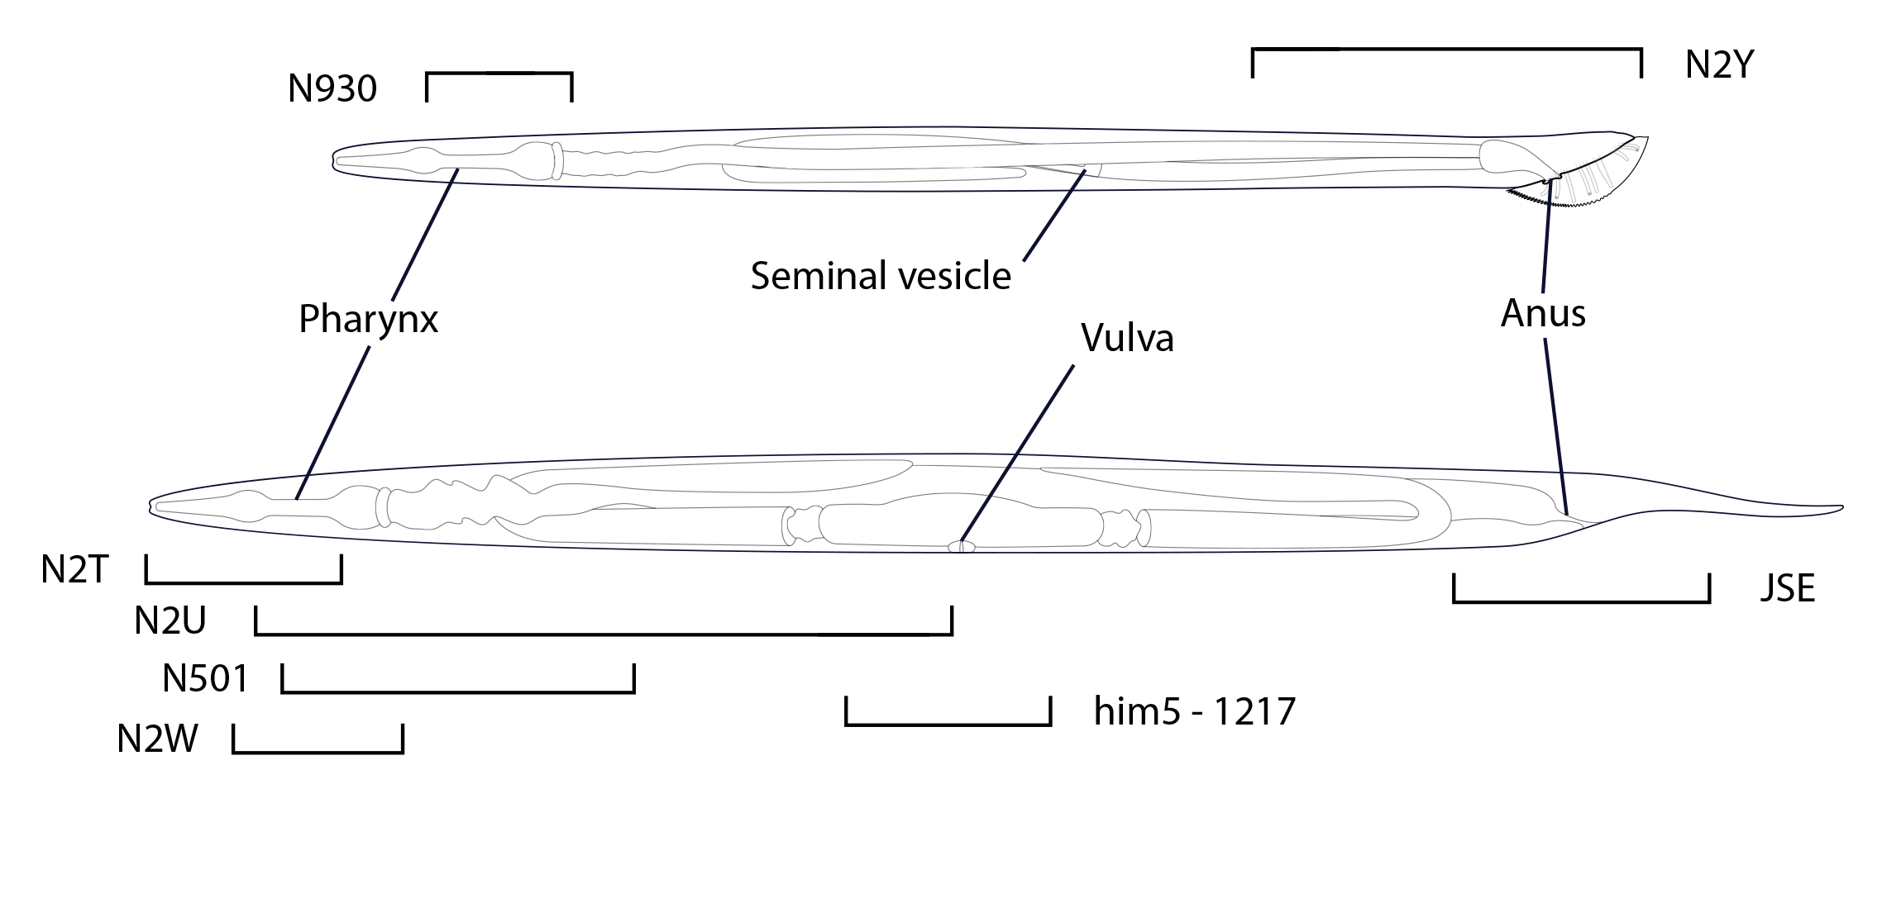
EM series | animal | origin | number of camera images | number of images after stitching | number of sections | section thickness | total neurite length recon-structed (number of sections) | number of synapses
him5-1217 | adult hermaph-rodite | Einstein | 700 |  | 2000 | 50 nm | 1276 | 97
JSA | adult hermaph-rodite | MRC | 114 | 114 | 114 | 80 nm | 4680 | 497
JSE | adult hermaph-rodite | MRC | 1898 | 1825 | 1463 | 80 nm | 67,648 | 1618
N2_825 | adult hermaph-rodite | Einstein | 250 |  | 2000 | 50 nm | 416 | 20
N2T | adult hermaph-rodite | MRC | 454 | 454 | 454 | 80 nm | 8427 | 51
N2U | adult hermaph-rodite | MRC | 5579 | 4851 | 2684 | 80 nm | 240,954 | 7446
N2W | adult hermaph-rodite | MRC | 1007 | 1007 | 1007 | 80 nm | 17825 | 558
N2Y | adult male | MRC | 5,112 | 5092 | 5000 | 80 nm | 269,213 | 10372
N501A-C | adult hermaph-rodite | Einstein | 120 |  | 2700 | 60 nm | x | 48 | x these animals were sampled extensively, but not reconstructed
N930 | adult male | Einstein | 54,000 | 1188 | 1515 | 50 nm | 169,508 (28,961 unk) | 4479 (554 unk)
N939A-I | adult hermaph-rodite | Einstein | 703 |  | 2350 | 50 nm | 1948 | 50
unk: unknown identity

